Results Summary
Competency Gap Assessment
Results Summary
Role: | Sales Manager
Name:

SALES MANAGEMENT AREAS OF EXPERTISE |  | KNOWLEDGE | SKILLS | ACTIONS | OVERALL
AOE 5 - Sales Pipeline & Forecast Management |  | #DIV/0! | #DIV/0! | #DIV/0! | #DIV/0!
AOE 6 - Sales Strategy Definition & Execution |  | #DIV/0! | #DIV/0! | #DIV/0! | #DIV/0!
AOE 7 - Sales Team Management |  | #DIV/0! | #DIV/0! | #DIV/0! | #DIV/0!
AOE 8 - Sales Coaching |  | #DIV/0! | #DIV/0! | #DIV/0! | #DIV/0!

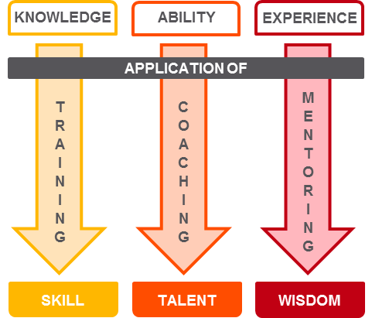
Interpreting the Results |  |  | Pathways to Performance
Evaluate the competency gaps outlined on the results table against the Competency Gap Legend. Then, reference the Pathways to Performance diagram to inform the sales manager's individual development plan (IDP). For a deep-dive look at the results by KSA item, unhide columns D and E in each AOE tab.

Competency Gap Legend

-2.05 or less | Solid Strength to Leverage
-1.05 to -2.04 | Strength
-1.04 to 1.04 | Within Range with Opportunity for Growth
1.05 to 2.04 | Development Need
2.05 or above | Strong Development Need

Copyright © 2017 ATD DBA Association for Talent Development (ATD)

